Table 2
0073264 11-24 CASHIER1S CHECK |  |  |  |  | SERIAL#: 7326410993
Office AU# Remitter. Purchaser. | 1210{8) JOE BELL JOE BELL | ACCOUNT#: 4861-511475
Purchaser Account xxxxxx2140 Operator LO.: k074561 u433054 Funding Source: Paper Uem(s) PAY TO THE ORDER OF ***POMONA UNIFIED SCHOOL DISTRICT*** **Ten Thousand and 00/100 -US Dollars ** |  |  |  | April 5, 2023 **$10,000.00**,
Payee Address: Memo: WELLS FARGO BANK, N.A. 4240E4THST ONTARIO, CA 91764 FOR INQUIRIES CALL (480) 394-3122 |  |  | NOTICE TO PURCHASER-IF THIS INSTRUMENT IS LOST, STOLEN OR DESTROYED, YOU MAY REQUEST CANCELLATION AND REISSUANCE. AS A CONDITION TO CANCELLATION AND REISSUANCE, WELLS FARGO & COMPANY MAY IMPOSE A FEE AND REQUIRE AN INDEMNITY AGREEMENT AND BOND. Purchaser Copy |  |  | VOID IF OVER USS 10,000.0Ci NON-NEGOTIABLE
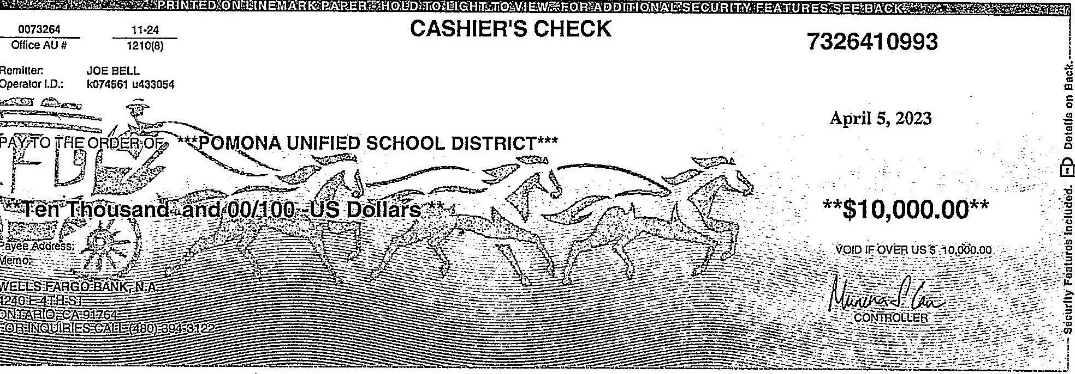
"8004 (10/19) M4203 10117251

